Sales insight
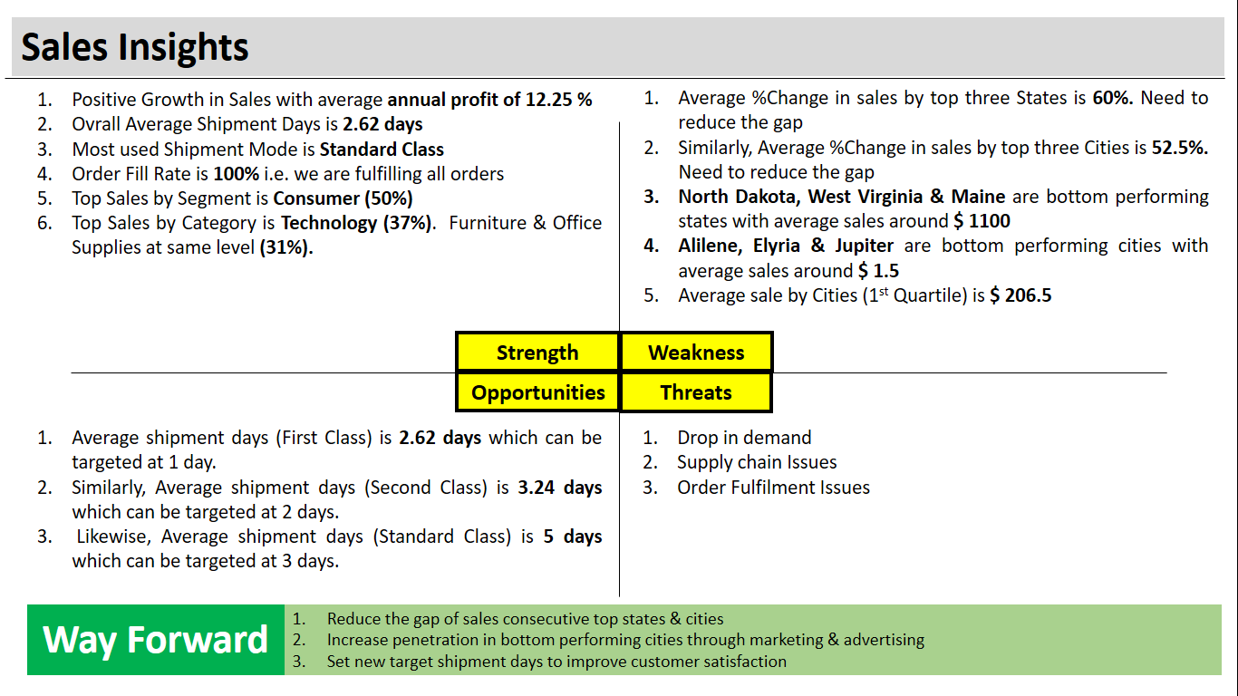

Sheet design
 | Total
1 | $95,524.57
2 | $105,139.12
3 | $72,319.92
4 | $68,162.34
5 | $64,520.51
6 | $53,306.86
7 | $62,610.91
8 | $101,577.95
9 | $66,582.36
10 | $62,993.84
11 | $69,615.23
12 | $65,563.70
13 | $80,023.84
14 | $71,955.12
15 | $58,147.90
16 | $73,053.22
17 | $112,155.14
18 | $90,737.98
19 | $77,927.50
20 | $72,323.99
21 | $95,784.25
22 | $66,477.00
23 | $88,785.57
24 | $77,519.09
25 | $82,401.21
26 | $78,544.16
27 | $59,240.64
28 | $64,838.46
29 | $45,401.00
30 | $65,572.06
31 | $49,703.52
DAILY |  | SALES, PROFIT AND ORDER FILL DATE |  | MONTHLY |  |  |  | SEGMENT AND CATEGORY |  |  |  | CITY |  |  | STATE |  |  | SHIP MODE |  |  |  | REGION |  |  | TOP 3 CUSTOMERS |  |  | SUB-CATEGORY |  |  | PRODUCT |  |  | YEARLY |  |  |  | SLICERS
Row Labels | Sum of Sales | Sum of Sales | Sum of Profit | Row Labels | Sum of Sales | Sum of Profit |  | Row Labels | Sum of Sales | Sum of Quantity |  | Row Labels | Sum of Sales | Sum of Quantity | Row Labels | Sum of Sales | Sum of Quantity | Row Labels | Sum of Sales | Sum of Quantity |  | Row Labels | Sum of Sales | Sum of Quantity | Row Labels | Sum of Sales | Sum of Quantity | Row Labels | Sum of Sales | Sum of Quantity | Row Labels | Sum of Sales | Sum of Quantity | Row Labels | Sum of Sales | Sum of Profit
1 | $95,524.57 | $2,298,508.96 | $286,673.50 | Jan | $94,924.84 | $9,134.45 |  | Consumer | $1,162,465.52 | $19,543.00 |  | Aberdeen | $25.50 | $3.00 | Alabama | $19,510.64 | $256.00 | First Class | $351,428.42 | $5,693.00 |  | Central | $501,449.19 | $8,782.00 | Raymond Buch | $15,117.34 | $71.00 | Chairs | $329,008.83 | $2,360.00 | Canon imageCLASS 2200 Advanced Copier | $61,599.82 | $20.00 | 2014 | $484,247.50 | $49,543.97
2 | $105,139.12 |  |  | Feb | $59,751.25 | $10,294.61 |  | Corporate | $706,180.99 | $11,612.00 |  | Abilene | $1.39 | $2.00 | Arizona | $35,282.00 | $862.00 | Same Day | $128,363.12 | $1,960.00 |  | East | $679,248.08 | $10,632.00 | Sean Miller | $25,043.05 | $50.00 | Phones | $330,097.98 | $3,296.00 | Cisco TelePresence System EX90 Videoconferencing Unit | $22,638.48 | $6.00 | 2015 | $470,532.51 | $61,618.60
3 | $72,319.92 | TOTAL SALES | $2,298,509 | Mar | $205,005.49 | $28,594.69 |  | Home Office | $429,862.45 | $6,746.00 |  | Akron | $2,729.99 | $65.00 | Arkansas | $11,678.13 | $240.00 | Second Class | $459,787.88 | $7,428.00 |  | South | $392,316.22 | $6,214.00 | Tamara Chand | $19,052.22 | $42.00 | Storage | $223,843.61 | $3,158.00 | Fellowes PB500 Electric Punch Plastic Comb Binding Machine with Manual Bind | $27,453.38 | $31.00 | 2016 | $609,205.60 | $81,795.17
4 | $68,162.34 | TOTAL PROFIT | $286,673 | Apr | $137,762.13 | $11,587.44 |  |  |  |  |  | Albuquerque | $2,220.16 | $65.00 | California | $457,722.26 | $7,671.00 | Standard Class | $1,358,929.53 | $22,820.00 |  | West | $725,495.47 | $12,273.00 |  |  |  |  |  |  |  |  |  | 2017 | $734,523.36 | $93,715.74
5 | $64,520.51 | PROFIT% | 12% | May | $155,028.81 | $22,411.31 |  |  |  |  |  | Alexandria | $5,519.57 | $84.00 | Colorado | $32,111.14 | $696.00
6 | $53,306.86 |  |  | Jun | $152,718.68 | $21,285.80 |  | Row Labels | Sum of Sales | Sum of Quantity |  | Allen | $290.21 | $13.00 | Connecticut | $13,384.36 | $281.00
7 | $62,610.91 | Sum of QTY Delivered | Sum of QTY Ordered | Jul | $147,238.10 | $13,832.66 |  | Furniture | $742,882.66 | $8,036.00 |  | Allentown | $853.25 | $20.00 | Delaware | $27,451.07 | $367.00
8 | $101,577.95 | 37901 | 37901 | Aug | $159,044.06 | $21,776.94 |  | Office Supplies | $719,381.34 | $22,919.00 |  | Altoona | $20.45 | $9.00 | District of Columbia | $2,865.02 | $40.00 | Row Labels | Average of Shipment Days | Max of Shipment Days2 | Min of Shipment Days2
9 | $66,582.36 |  |  | Sep | $307,649.95 | $36,857.48 |  | Technology | $836,244.96 | $6,946.00 |  | Amarillo | $3,773.06 | $32.00 | Florida | $89,473.71 | $1,379.00 | First Class | 2.1827048114 | 4 | 1
10 | $62,993.84 | Order fill date | 100% | Oct | $200,322.98 | $31,784.04 |  |  |  |  |  | Anaheim | $7,986.87 | $112.00 | Georgia | $49,095.84 | $705.00 | Same Day | 0.044198895028 | 1 | 0
11 | $69,615.23 |  |  | Nov | $352,461.07 | $35,468.43 |  | SEGMENT | SALES | QUANTITY |  | Andover | $435.85 | $13.00 | Idaho | $4,382.49 | $64.00 | Second Class | 3.2376796715 | 5 | 1
12 | $65,563.70 | AVERAGE | 1292591.2279 | Dec | $326,601.60 | $43,645.67 |  | Consumer | 1162465.521 | 19543 |  | Ann Arbor | $889.27 | $23.00 | Illinois | $80,166.10 | $1,845.00 | Standard Class | 5.0056903766 | 7 | 3
13 | $80,023.84 |  |  |  |  |  |  | Corporate | 706180.9908 | 11612 |  | Antioch | $19.44 | $3.00 | Indiana | $53,764.66 | $580.00
14 | $71,955.12 |  |  | MONTHS | SALES | PROFIT | PROFIT% | Home Office | 429862.4485 | 6746 |  | Apopka | $904.55 | $31.00 | Iowa | $4,579.76 | $112.00
15 | $58,147.90 |  |  | Jan | 94,925 | 9,134 | 10% |  |  |  |  | Apple Valley | $2,053.02 | $32.00 | Kansas | $2,914.31 | $74.00 | SHIP MODE | TOTAL SALES | TOTAL QUANTITY
16 | $73,053.22 |  |  | Feb | 59,751 | 10,295 | 17% | CATEGORY | SALES | QUANTITY |  | Appleton | $1,671.31 | $12.00 | Kentucky | $37,186.06 | $528.00 | First Class | 351428.4229 | 5693
17 | $112,155.14 |  |  | Mar | 205,005 | 28,595 | 14% | Furniture | 742882.6613 | 8036 |  | Arlington | $20,214.53 | $259.00 | Louisiana | $9,217.03 | $156.00 | Same Day | 128363.125 | 1960
18 | $90,737.98 |  |  | Apr | 137,762 | 11,587 | 8% | Office Supplies | 719381.336 | 22919 |  | Arlington Heights | $14.11 | $6.00 | Maine | $1,270.53 | $35.00 | Second Class | 459787.8794 | 7428
19 | $77,927.50 |  |  | May | 155,029 | 22,411 | 14% | Technology | 836244.963 | 6946 |  | Arvada | $503.40 | $10.00 | Maryland | $23,705.52 | $420.00 | Standard Class | 1358929.533 | 22820
20 | $72,323.99 |  |  | Jun | 152,719 | 21,286 | 14% |  |  |  |  | Asheville | $1,475.38 | $28.00 | Massachusetts | $28,634.43 | $491.00 |  |  |  |  |  |  |  |  |  |  |  |  |  |  |  |  | YEAR | SALES | PROFIT | P%
21 | $95,784.25 |  |  | Jul | 147,238 | 13,833 | 9% | TOP SEGMENT | Consumer | 1162465.521 | 19543 | Athens | $1,720.81 | $30.00 | Michigan | $76,269.61 | $946.00 |  |  |  |  |  |  |  |  |  |  |  |  |  |  |  |  | 2014 | 484247.4981 | 49543.9741 | 10
22 | $66,477.00 |  |  | Aug | 159,044 | 21,777 | 14% | TOP CATEGORY | Technology | 836244.963 | 6946 | Atlanta | $17,197.84 | $156.00 | Minnesota | $29,863.15 | $331.00 |  |  |  |  |  |  |  |  |  |  |  |  |  |  |  |  | 2015 | 470532.509 | 61618.6037 | 13
23 | $88,785.57 |  |  | Sep | 307,650 | 36,857 | 12% |  |  |  |  | Atlantic City | $23.36 | $2.00 | Mississippi | $10,771.34 | $221.00 |  |  |  |  |  |  |  |  |  |  |  |  |  |  |  |  | 2016 | 609205.598 | 81795.1743 | 13
24 | $77,519.09 |  |  | Oct | 200,323 | 31,784 | 16% |  |  |  |  | Auburn | $3,155.17 | $80.00 | Missouri | $22,205.15 | $252.00 |  |  |  |  |  |  |  |  |  |  |  |  |  |  |  |  | 2017 | 734523.3552 | 93715.7435 | 13
25 | $82,401.21 |  |  | Nov | 352,461 | 35,468 | 10% |  |  |  |  | Aurora | $11,656.48 | $258.00 | Montana | $5,589.35 | $56.00
26 | $78,544.16 |  |  | Dec | 326,602 | 43,646 | 13% |  |  |  |  | Austin | $6,057.98 | $131.00 | Nebraska | $7,464.93 | $136.00
 |  |  |  |  |  |  |  |  |  |  |  | Avondale | $946.81 | $30.00 | Nevada | $16,729.10 | $168.00
 |  |  |  |  |  |  |  |  |  |  |  | Bakersfield | $1,377.29 | $47.00 | New Hampshire | $7,292.52 | $127.00
 |  |  |  |  |  |  |  |  |  |  |  | Baltimore | $6,156.84 | $184.00
 |  |  |  |  |  |  |  |  |  |  |  | Bangor | $1,164.45 | $29.00
 |  |  |  |  |  |  |  |  |  |  |  | Bartlett | $88.96 | $8.00
 |  |  |  |  |  |  |  |  |  |  |  | Bayonne | $183.40 | $9.00
 |  |  |  |  |  |  |  |  |  |  |  | Baytown | $10.37 | $2.00
 |  |  |  |  |  |  |  |  |  |  |  | Beaumont | $472.12 | $21.00
 |  |  |  |  |  |  |  |  |  |  |  | Bedford | $226.26 | $25.00
 |  |  |  |  |  |  |  |  |  |  |  | Belleville | $1,891.60 | $32.00
 |  |  |  |  |  |  |  |  |  |  |  | Bellevue | $103.62 | $18.00
 |  |  |  |  |  |  |  |  |  |  |  | Bellingham | $3,790.24 | $24.00
 |  |  |  |  |  |  |  |  |  |  |  | Bethlehem | $1,689.63 | $18.00
 |  |  |  |  |  |  |  |  |  |  |  | Beverly | $2,583.19 | $15.00
 |  |  |  |  |  |  |  |  |  |  |  | Billings | $8.29 | $2.00
 |  |  |  |  |  |  |  |  |  |  |  | Bloomington | $1,567.74 | $58.00
 |  |  |  |  |  |  |  |  |  |  |  | Boca Raton | $63.01 | $8.00
 |  |  |  |  |  |  |  |  |  |  |  | Boise | $1,094.47 | $9.00
 |  |  |  |  |  |  |  |  |  |  |  | Bolingbrook | $218.31 | $23.00
 |  |  |  |  |  |  |  |  |  |  |  | Bossier City | $1,417.18 | $24.00
 |  |  |  |  |  |  |  |  |  |  |  | Bowling Green | $2,077.38 | $30.00
 |  |  |  |  |  |  |  |  |  |  |  | Boynton Beach | $469.59 | $28.00
 |  |  |  |  |  |  |  |  |  |  |  | Bozeman | $43.66 | $5.00
 |  |  |  |  |  |  |  |  |  |  |  | Brentwood | $5,090.11 | $66.00
 |  |  |  |  |  |  |  |  |  |  |  | Bridgeton | $52.41 | $6.00
 |  |  |  |  |  |  |  |  |  |  |  | Bristol | $1,251.18 | $31.00
 |  |  |  |  |  |  |  |  |  |  |  | Broken Arrow | $2,439.53 | $17.00
...

Dashboard
SALES DAHBOARD
TOTAL SALES
TOTAL PROFIT
PROFIT %
OVERALL AVG
OVERALL FILL

$22,98,509
$2,86,673
12%
2.6
100%
SUPER STORE

FILTER PANEL
TOP REGION
WEST
TOP SHIP MODE
STANDARD
 | Sum of Sales | Sum of Quantity
Central | $501,449.19 | $8,782.00
East | $679,248.08 | $10,632.00
South | $392,316.22 | $6,214.00
West | $725,495.47 | $12,273.00
TOP 3 STATE
TOP 3 CITY
TOP 3 CUSTOMER
NO. OF DAYS
California
Los Angeles
AVG
MAX
MIN
Sean Miller
FIRST
2
4
1
Houston
1
0
New York
Tamara Chand
SECOND
0
SAME
3
5
1
Texas
Chicago
Raymond Buch
STND
5
7
3

TOP SEGMENT
TOP CATEGORY
TOP YEAR
2017
MONTH WISE TREND

CONSUMER
TECHNOLOGY

 | Sum of Sales | Sum of Quantity
Consumer | $1,162,465.52 | $19,543.00
Corporate | $706,180.99 | $11,612.00
Home Office | $429,862.45 | $6,746.00
 | Sum of Sales | Sum of Quantity
Furniture | $742,882.66 | $8,036.00
Office Supplies | $719,381.34 | $22,919.00
Technology | $836,244.96 | $6,946.00
 | Sum of Sales | Sum of Profit
2014 | $484,247.50 | $49,543.97
2015 | $470,532.51 | $61,618.60
2016 | $609,205.60 | $81,795.17
2017 | $734,523.36 | $93,715.74
13%
13%
 | SALES | PROFIT | PROFIT%
Jan | 94,925 | 9,134 | 10%
Feb | 59,751 | 10,295 | 17%
Mar | 205,005 | 28,595 | 14%
Apr | 137,762 | 11,587 | 8%
May | 155,029 | 22,411 | 14%
Jun | 152,719 | 21,286 | 14%
Jul | 147,238 | 13,833 | 9%
Aug | 159,044 | 21,777 | 14%
Sep | 307,650 | 36,857 | 12%
Oct | 200,323 | 31,784 | 16%
Nov | 352,461 | 35,468 | 10%
Dec | 326,602 | 43,646 | 13%
10%
13%

DAY WISE TREND
TOP 3
SUB CATEGORY
TOP 3
PRODUCT
 | Total
1 | $95,524.57
2 | $105,139.12
3 | $72,319.92
4 | $68,162.34
5 | $64,520.51
6 | $53,306.86
7 | $62,610.91
8 | $101,577.95
9 | $66,582.36
10 | $62,993.84
11 | $69,615.23
12 | $65,563.70
13 | $80,023.84
14 | $71,955.12
15 | $58,147.90
16 | $73,053.22
17 | $112,155.14
18 | $90,737.98
19 | $77,927.50
20 | $72,323.99
21 | $95,784.25
22 | $66,477.00
23 | $88,785.57
24 | $77,519.09
25 | $82,401.21
26 | $78,544.16
27 | $59,240.64
28 | $64,838.46
29 | $45,401.00
30 | $65,572.06
31 | $49,703.52

Phones
Canon imageCLASS 2200 Advanced Copier

Chairs
Fellowes PB500 Electric Punch Plastic Comb Binding Machine with Manual Bind

Storage
Cisco TelePresence System EX90 Videoconferencing Unit

